Login Page Insta
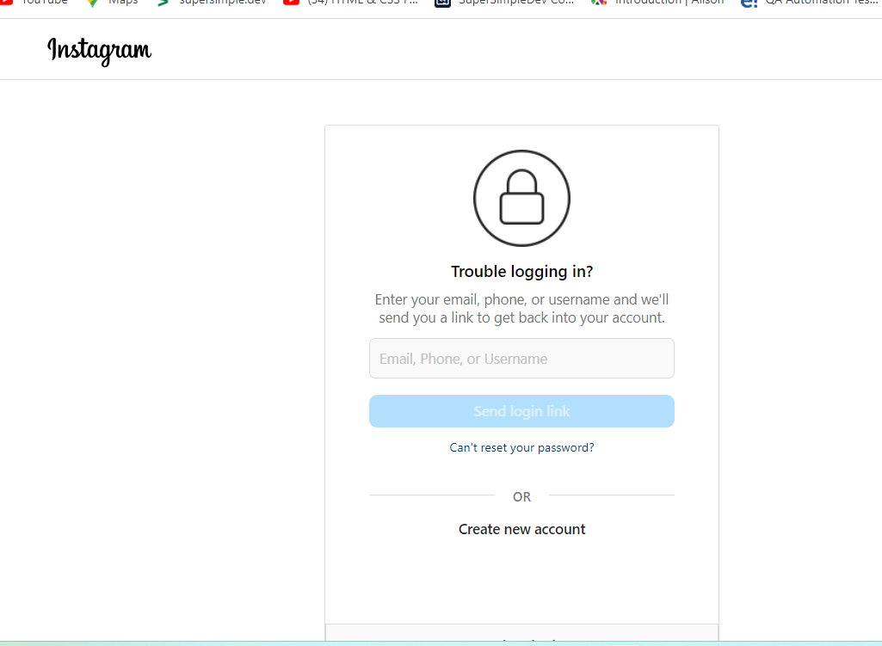
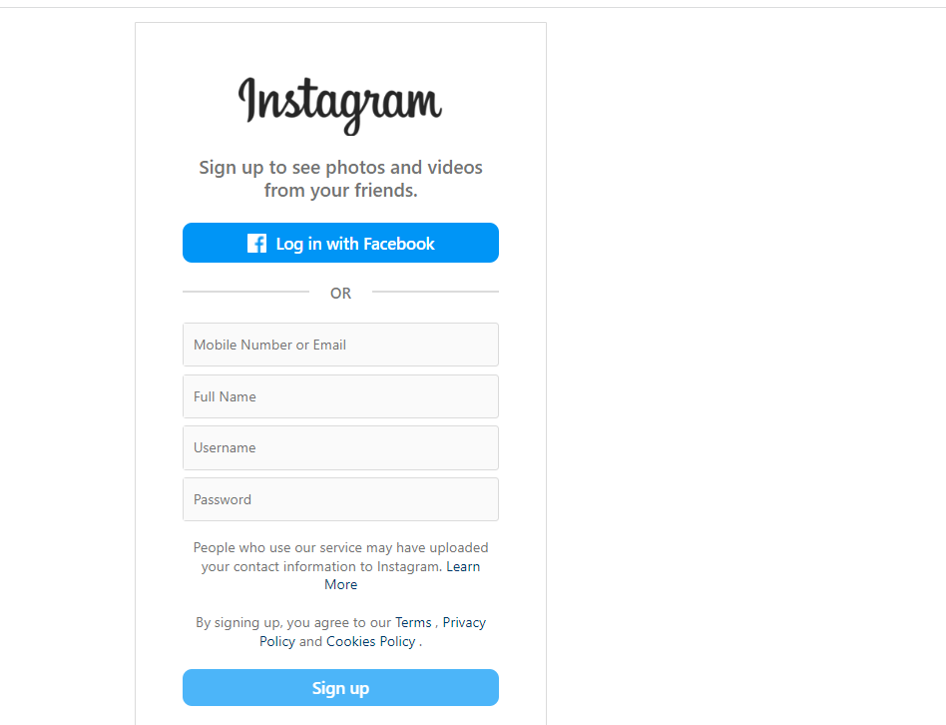
Your Company Logo | Project Name | Instagram | Test Designed by: | Joyce Ann
 | Module Name | Login Page | Test Designed date: | Nov 13.2023
 | Release Version | © 2023 Instagram from Meta | Test Executed by:
 |  |  | Test Execution date:

Pre-condition: | User must 1st time login to the page
Dependencies
Test Priority | High

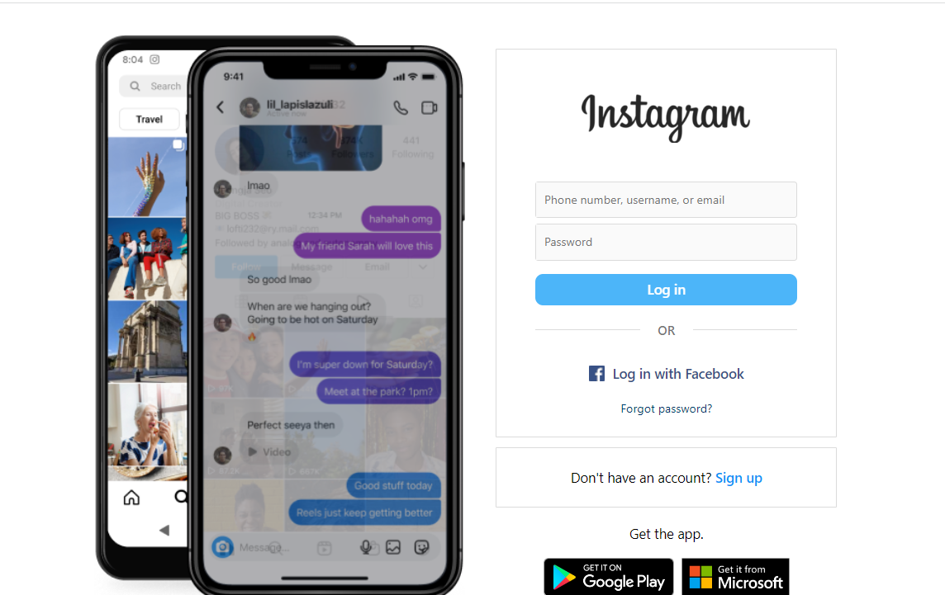
Test Case # | Test Title | Test Summary | Test Steps | Test Data | Expected Result | Post Condition | Actual Result | Status | Notes
1.test_insta_1 | User need to login to Page |  | User will navigate the https://instagram.com
2.test_insta_2 | User will log the info |  | In the field "Phone number,username or email". Type a number, username or email | username: jamiro199 |  | It stored the login data in database | I will stored on database
3.test_insta_3 | User will type the password |  | In the field "Password". Type a password | password:Sqa2024! |  | It stored the login data in database | I will stored on database
4.test_insta_4 | user will click the login |  | User will click the "Log in" Button |  | Sorry, your password was incorrect. Please double-check your password. | Login Error | Doesn't accepted either username | Pass | The User doesn't have any registered info so that the error message will prompt
5.test_insta_5 | User will click the "Log in with Face" |  | In the link field user will click "Login with Facebook" |  | User will see the homepage of Facebook and Login
6.test_insta_6 | User will routed to Facebook homepage |  | User will see the facebook page
 | User has a registered email or username address |  | User can able to login using username in the field 'email' | username: mamahiro@yahoo.com |  | It stored the login data in database | Accept the username | Pass
 | User has input the password to the stored data |  | User can able to login with password in the field of 'password' | password: password123! |  | It stored the login data in database | Login Successful | Pass
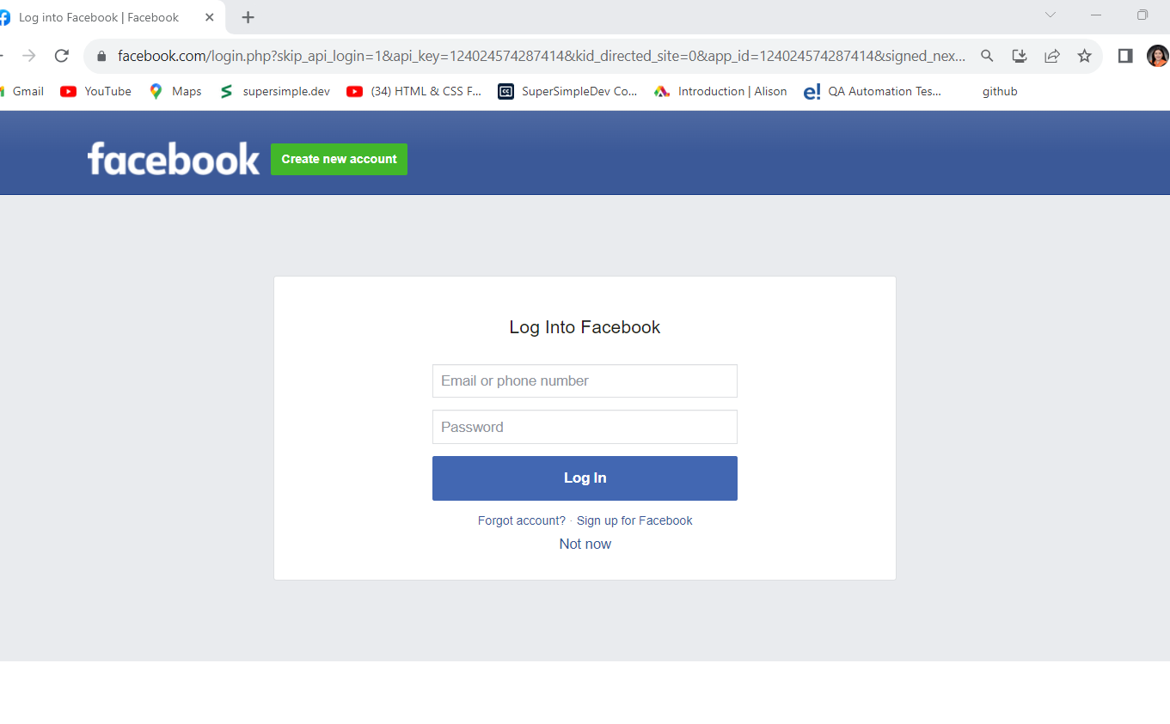
 | The login button must accepted the username and password |  | User will click the 'Sign in' | Accept the username and password of the user, | A page displaying the facebook homepage | It stored the login data in database | Login Successed | Pass | User can able to see the homepage of instagram
 | User has no registered info in facebook |  | User will click the "Sign up"

